Defect Report-CaseStudy
Defect ID | Defect Description | Steps to Reproduce | Priority | Severity | Status | Created By | Assigned To | Screenshots
BUG_001 | OTP is sent to an invalid mobile number (1234567890) without proper validation. | 1. Launch Google Chrome.2. Open https://www.meesho.com.3. Click Sign Up/Login.4. Enter mobile number 1234567890.5. Click Continue.6. Observe the system behavior. | High | Major | New | Abhinandan Prasad | 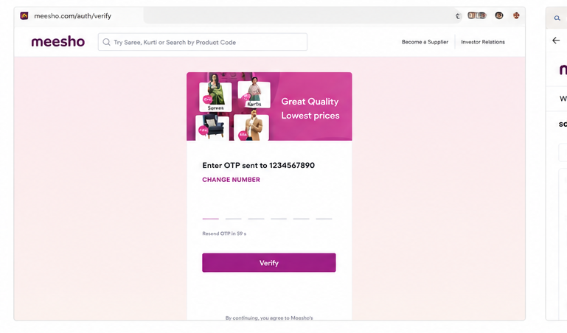 Raghavendra BN
BUG_002 | Search returns unrelated products for a completely random search keyword instead of displaying "No Products Found". | 1. Open Meesho website.2. Enter a random string such as fsodighasodflaqguovhdf... in the search box.3. Press Enter.4. Observe the search results. | Medium | Major | New | Abhinandan Prasad | 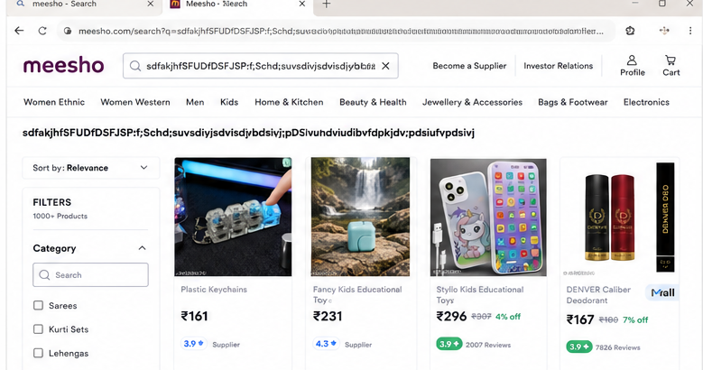 Raghavendra BN
BUG_003 | No visible OTP rate limiting. Multiple OTP requests are accepted in a short duration without restriction. | 1. Open Meesho website.2. Click Sign Up/Login.3. Enter a valid mobile number.4. Request OTP repeatedly within a short duration.5. Observe the application behavior. | High | Major | New | Abhinandan Prasad | 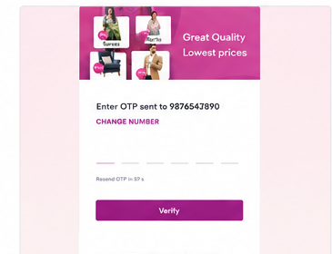 Raghavendra BN
BUG_004 | Duplicate products are displayed during infinite scrolling instead of loading new products. | 1. Search for Saree (or any category).2. Scroll continuously through the product list.3. Observe the loaded products after several scrolls.4. Previously displayed products start appearing again. | Medium | Major | New | Abhinandan Prasad | 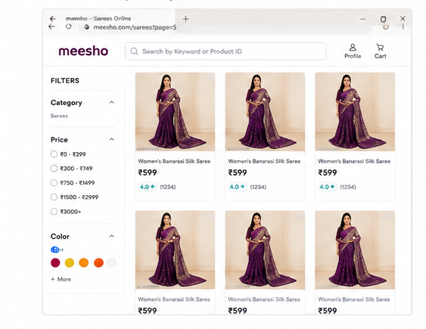 Raghavendra BN
BUG_005 | Multiple rapid clicks on Add to Cart increase the product quantity instead of processing only one request. | 1. Open any product page.2. Click Add to Cart rapidly multiple times.3. Open the Cart page.4. Observe that product quantity is automatically increased (e.g., Qty = 2). | High | Major | New | Abhinandan Prasad | Raghavendra BN | 